1NF
 | Unnormalized Data
ID | Title | Author | Author Nationality | Topics | Book Type | Price | Page Count | Book Size | Publishing Company | Publisher Country | Genre ID | Genre Name
1 | The MySQL Workshop | Daniel Van Eeden and Thomas Pettit | Dutch, Australian | MySQL, Node.js, Database Migration, Database, Design | Hardcover | 39.99 | 892 | Large | Packt Publishing | UK | 1 | Tutorial
2 | The Database | Fred Bloggs | American | My SQL, Data base Design, NodeJS | Ebook | 19.5 | 471 | Medium | Some Publishing Co. | USA | 2 | Instructional

 | Entities
 | Book
 | Author
 | Topics
 | Publisher

 | Books
 | BookID | Title | Page Count | Book Size | GenreID | Genre | Book Type | Price | Publisher | PublisherCountry
 | 1 | The MySQL Workshop | 892 | Large | 1 | Tutorial | Hardcover | 39.99 | Packt Publishing | UK
 | 2 | The Database | 471 | Medium | 2 | Instructional | EBook | 19.5 | Some Publishing Company | USA

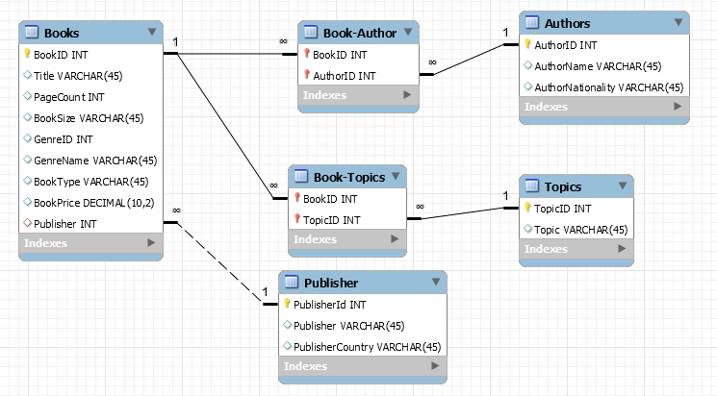
 | Authors |  |  |  | Book-Author Link
 | AuthorID | Author | Nationality |  | BookID | AuthorID
 | 1 | Daniel Van Eeden | Dutch |  | 1 | 1
 | 2 | Thomas Pettit | Australian |  | 1 | 2
 | 3 | Fred Bloggs | American |  | 2 | 3

 | Topics |  |  |  | Book-Topics Link
 | TopicID | Topic |  |  | BookID | TopicID
 | 1 | MySQL |  |  | 1 | 1
 | 2 | Node.js |  |  | 2 | 1
 | 3 | Database Migration |  |  | 1 | 2
 | 4 | Database |  |  | 1 | 3
 | 5 | Design |  |  | 1 | 4
 |  |  |  |  | 2 | 4
 | Publisher |  |  |  | 1 | 5
 | PublisherID | Publisher | PublisherCountry
 | 1 | Packt Publishing | UK
 | 2 | Some Publishing Company | USA

 | Results
 | BookID | Title | Author | Nationality | Topic | Book Type | Page Count | Book Size | Price | GenreID | Genre | Publisher | Country
 | 1 | The MySQL Workshop | Daniel Van Eeden | Dutch | MySQL | Hardcover | 892 | Large | 39.99 | 1 | Tutorial | Packt Publishing | UK
 | 1 | The MySQL Workshop | Daniel Van Eeden | Dutch | Node.js | Hardcover | 892 | Large | 39.99 | 1 | Tutorial | Packt Publishing | UK
 | 1 | The MySQL Workshop | Daniel Van Eeden | Dutch | Database Migration | Hardcover | 892 | Large | 39.99 | 1 | Tutorial | Packt Publishing | UK
 | 1 | The MySQL Workshop | Daniel Van Eeden | Dutch | Database | Hardcover | 892 | Large | 39.99 | 1 | Tutorial | Packt Publishing | UK
 | 1 | The MySQL Workshop | Daniel Van Eeden | Dutch | Design | Hardcover | 892 | Large | 39.99 | 1 | Tutorial | Packt Publishing | UK
 | 1 | The MySQL Workshop | Thomas Pettit | Australian | MySQL | Hardcover | 892 | Large | 39.99 | 1 | Tutorial | Packt Publishing | UK
 | 1 | The MySQL Workshop | Thomas Pettit | Australian | Node.js | Hardcover | 892 | Large | 39.99 | 1 | Tutorial | Packt Publishing | UK
 | 1 | The MySQL Workshop | Thomas Pettit | Australian | Database Migration | Hardcover | 892 | Large | 39.99 | 1 | Tutorial | Packt Publishing | UK
 | 1 | The MySQL Workshop | Thomas Pettit | Australian | Database | Hardcover | 892 | Large | 39.99 | 1 | Tutorial | Packt Publishing | UK
 | 1 | The MySQL Workshop | Thomas Pettit | Australian | Design | Hardcover | 892 | Large | 39.99 | 1 | Tutorial | Packt Publishing | UK
 | 2 | The Database | Fred Bloggs | American | MySQL | EBook | 471 | Medium | 19.5 | 2 | Instructional | Some Publishing Company | USA
 | 2 | The Database | Fred Bloggs | American | Database | EBook | 471 | Medium | 19.5 | 2 | Instructional | Some Publishing Company | USA
 | 2 | The Database | Fred Bloggs | American | Design | EBook | 471 | Medium | 19.5 | 2 | Instructional | Some Publishing Company | USA

 | Query
 | SELECT
 | `1nf`.books.BookID,
 | `1nf`.books.Title,
 | `1nf`.authors.AuthorName,
 | `1nf`.authors.AuthorNationality,
 | `1nf`.topics.Topic,
 | `1nf`.books.BookType,
 | `1nf`.books.PageCount,
 | `1nf`.books.BookSize,
 | `1nf`.books.BookPrice,
 | `1nf`.books.GenreID,
 | `1nf`.books.GenreName,
 | `1nf`.publisher.Publisher,
 | `1nf`.publisher.PublisherCountry
 | FROM
 | `1nf`.authors
 | INNER JOIN `1nf`.`book-author` ON `1nf`.`book-author`.AuthorID = `1nf`.authors.AuthorID
 | INNER JOIN `1nf`.books ON `1nf`.`book-author`.BookID = `1nf`.books.BookID
 | INNER JOIN `1nf`.`book-topics` ON `1nf`.`book-topics`.BookID = `1nf`.books.BookID
 | INNER JOIN `1nf`.topics ON `1nf`.`book-topics`.TopicID = `1nf`.topics.TopicID
 | INNER JOIN `1nf`.publisher ON `1nf`.books.PublisherID = `1nf`.publisher.PublisherId

2NF
Books (1NF)
Title | Page Count | Book Size | GenreID | Genre | Book Type | Price | Publisher | PublisherCountry
The MySQL Workshop | 892 | Large | 1 | Tutorial | Hardcover | 39.99 | Packt Publishing | UK
The MySQL Workshop | 892 | Large | 1 | Tutorial | Ebook | 19.99 | Packt Publishing | UK
The Database | 471 | Medium | 2 | Instructional | EBook | 19.5 | Some Publishing Company | USA
The Database | 471 | Medium | 2 | Instructional | Hardcover | 49.5 | Some Publishing Company | USA

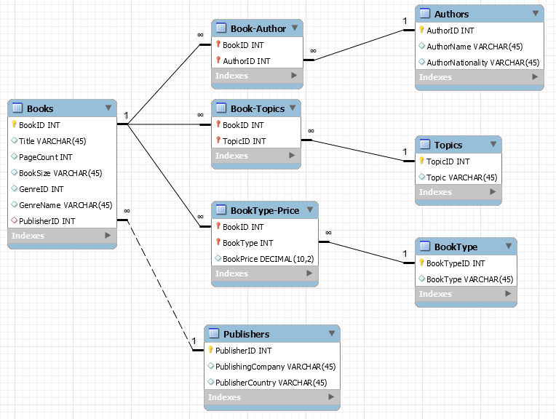
Books
BookID | Title | Page Count | Book Size | GenreID | Genre | Publisher ID
1 | The MySQL Workshop | 892 | Large | 1 | Tutorial | 1
2 | The Database | 471 | Medium | 2 | Instructional | 2

Book Type |  |  | Book-BookType Link
BookTypeID | BookType |  | BookID | BookTypeID | Price
1 | Hardcover |  | 1 | 1 | 39.99
2 | Paperback |  | 1 | 2 | 29.99
3 | E-Book |  | 1 | 3 | 19.99
 |  |  | 2 | 1 | 39.5
 |  |  | 2 | 3 | 21.75

Results
BookID | Title | Page Count | Book Size | BookType | GenreID | Book Type | Price | Publisher | PublisherCountry
1 | The MySQL Workshop | 892 | Large | Tutorial | 1 | Paperback | 29.99 | Packt Publishing | UK
1 | The MySQL Workshop | 892 | Large | Tutorial | 1 | E-Book | 19.99 | Packt Publishing | UK
1 | The MySQL Workshop | 892 | Large | Tutorial | 1 | Hardcover | 39.99 | Packt Publishing | UK
2 | The Database | 471 | Medium | Instructional | 2 | Hardcover | 39.5 | Some Publishing Company | USA
2 | The Database | 471 | Medium | Instructional | 2 | E-Book | 21.75 | Some Publishing Company | USA

Query
SELECT
`2nf`.books.BookID,
`2nf`.books.Title,
`2nf`.books.PageCount,
`2nf`.books.BookSize,
`2nf`.books.GenreID,
`2nf`.books.GenreName,
`2nf`.books.PublisherID,
`2nf`.booktype.BookType,
`2nf`.`booktype-price`.BookPrice,
`2nf`.publishers.PublishingCompany,
`2nf`.publishers.PublisherCountry
FROM
`2nf`.books
INNER JOIN `2nf`.`booktype-price` ON `2nf`.`booktype-price`.BookID = `2nf`.books.BookID
INNER JOIN `2nf`.booktype ON `2nf`.`booktype-price`.BookType = `2nf`.booktype.BookTypeID

3NF
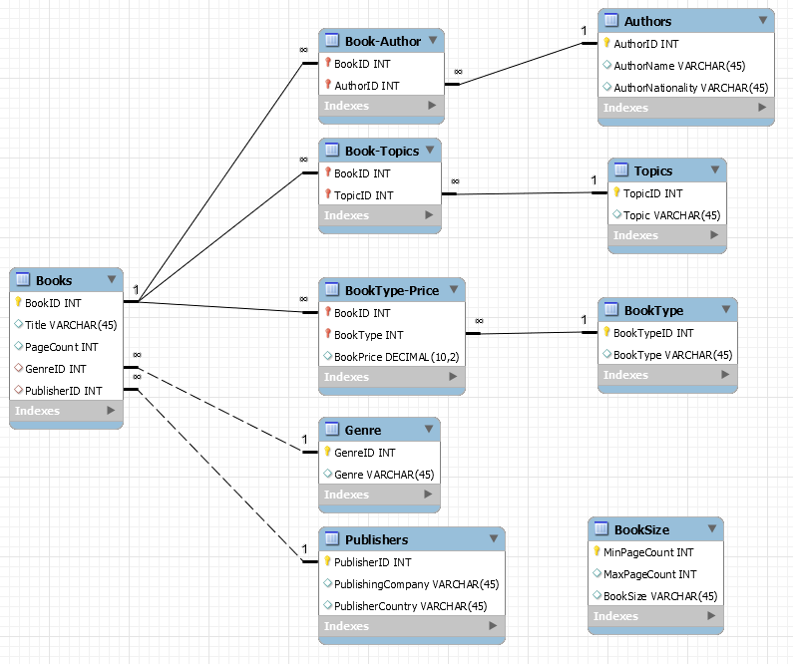
Books (2NF)
BookID | Title | Page Count | Book Size | GenreID | Genre | Publisher ID
1 | The MySQL Workshop | 892 | Large | 1 | Tutorial | 1
2 | The Database | 471 | Medium | 2 | Instructional | 2

Books
BookID | Title | Page Count | GenreID | Publisher ID
1 | The MySQL Workshop | 892 | 1 | 1
2 | The Database | 471 | 2 | 2

BookSize |  |  |  | Genre
MinPageCount | MaxPageCount | BookSize |  | GenreID | Genre
1 | 200 | Small |  | 1 | Tutorial
201 | 500 | Medium |  | 2 | Instructional
501 | 999999 | Large

Results
BookID | Title | Page Count | BookSize | Genre | Publisher
1 | The MySQL Workshop | 892 | Large | Tutorial | 1
2 | The Database | 471 | Medium | Instructional | 2

Query
SELECT
`3nf`.books.BookID,
`3nf`.books.Title,
`3nf`.books.PageCount,
(SELECT
`3nf`.booksize.Size
FROM
`3nf`.booksize
WHERE
`3nf`.books.PageCount >= `3nf`.booksize.MinPageCount AND
`3nf`.books.PageCount <= `3nf`.booksize.MaxPageCount) AS BookSize,
`3nf`.genre.Genre,
`3nf`.books.PublisherID
FROM
`3nf`.books
INNER JOIN `3nf`.genre ON `3nf`.books.GenreID = `3nf`.genre.GenreID
ORDER BY
`3nf`.books.BookID

BCNF
Publisher |  |  |  |  | Author
PublisherID | PublishingCompany | Country | Nationality |  | AuthorID | Author | Country | Nationality
1 | Packt Publishing | UK | English |  | 1 | Daniel Van Eeden | Nederlands | Dutch
2 | Some Publishing Company | USA | American |  | 2 | Thomas Pettit | Australia | Australian
 |  |  |  |  | 3 | Fred Bloggs | USA | American
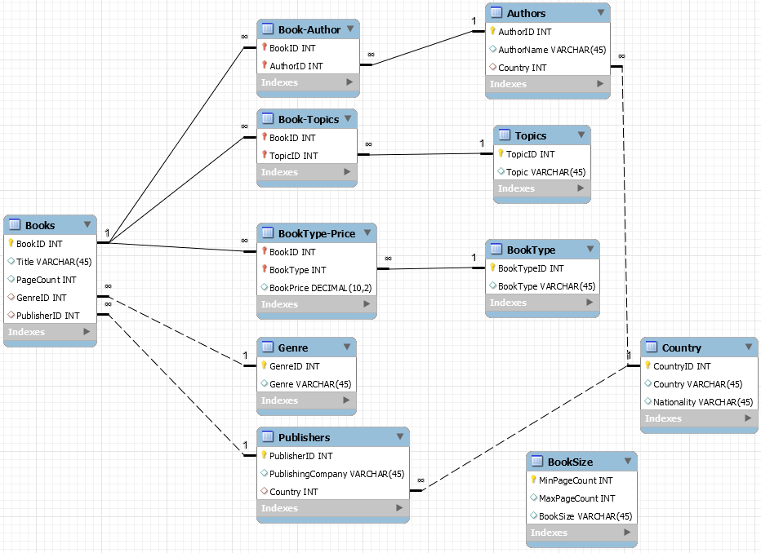
Country
CountryID | Country | Nationality
1 | Australia | Australian
2 | Nederlands | Dutch
3 | USA | American
4 | UK | English

Author
AuthorID | Author | Nationality
1 | Daniel Van Eeden | 2
2 | Thomas Pettit | 1
3 | Fred Bloggs | 3

Publisher
PublisherID | PublishingCompany | PublisherCountry
1 | Packt Publishing | 4
2 | Some Publishing Company | 3

Results
BookdID | Title | Author | Author Country | Author Nationality | PublishingCompany | Publisher Country | Publisher Nationality
1 | The MySQL Workshop | Daniel Van Eeden | Nederlands | Dutch | Packt Publishing | UK | English
1 | The MySQL Workshop | Thomas Pettit | Australia | Australian | Packt Publishing | UK | English
2 | The Database | Fred Bloggs | USA | American | Some Publishing Company | USA | American

Query
SELECT
bcnf.books.BookID,
bcnf.books.Title,
bcnf.authors.AuthorName,
bcnf.country.Country AS `Author Country`,
bcnf.country.Nationality AS `Author Nationality`,
bcnf.publishers.PublishingCompany,
country1.Country AS `Publisher Country`,
country1.Nationality AS `Publisher Nationality`
FROM
bcnf.books
INNER JOIN bcnf.`book-author` ON bcnf.`book-author`.BookID = bcnf.books.BookID
INNER JOIN bcnf.authors ON bcnf.`book-author`.AuthorID = bcnf.authors.AuthorID
INNER JOIN bcnf.publishers ON bcnf.books.PublisherID = bcnf.publishers.PublisherID
INNER JOIN bcnf.country country1 ON bcnf.publishers.Country = country1.CountryID
INNER JOIN bcnf.country ON bcnf.authors.Country = bcnf.country.CountryID

